Sheet1
Please, click and select your name
 | Name | SAIF SAID SAIF AL SAADI
 | ID | 15S13780

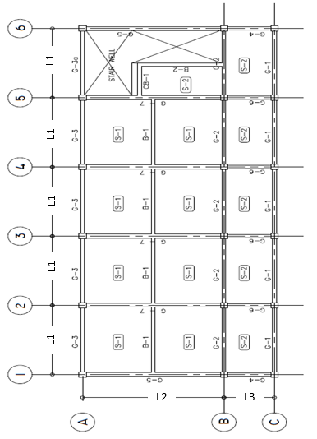

Loads Data
 | Load | 16.1 | KN/m | 4
 |  |  |  | 5
Span | L1 | 4376 | mm
 | L2 | 7590 | mm | 6
 | L3 | 2937 | mm | 7
 |  |  |  | 8

 |  |  |  | 9
Beam Dimensions | b×t | 200×400 | mm | 10
Column Dimensions | b×t | 350×350 | mm | 11

